Sheet2
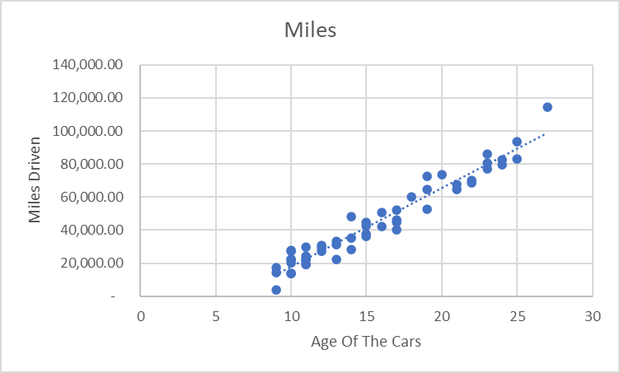

Sheet1
Row Labels | Sum of Miles
Bard | 144647.7
Chan | 150656.4
Ewenty | 154427.9
Gaul | 179986
Howard | 143640.7
Hulinski | 135078.2
Jones | 184693.8
Lyon | 127731.3
McCall | 70964.9
Praulty | 65315
Rodriguez | 138561.5
Santos | 141229.4
Smith | 305432.4
Swartz | 177713.9
Torrens | 65964.9
Vizzini | 130601.6
Yousef | 19341.7
Grand Total | 2335987.3

